Tabelle1
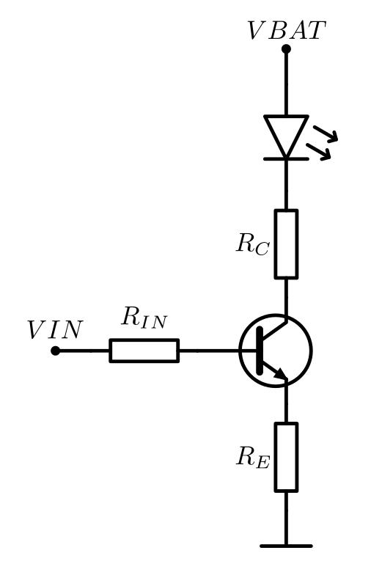
R_IN | R_E | B | U_IN | U_BE | I_LED
9.10E+03 | 100 | 300 | 3.3 | 0.7 | 0.01995

